1. Title Page
[Instacart Grocery Basket Analys]

Project Name: Instacart Grocery Basket Analysis
Date: 05/09/2022
Analyst Name: Kimball Wightman

Contents:
Population Flow
Consistency checks
Wrangling steps
Column derivations
Visualizations
Recommendations

2. Population Flow
Title page

Population flow

Exclusion flag
Condition: max_order <
Obervations to be removed:
Final total count of order_products_all:

Orders_products_combined
Orders_products_merged
Orders_products_all

Total: 32,089,823
Total: 32,119,213
Total: 24,177,845

1.) The grey boxes in the first row of the population flow represent the original data sets as they were when you downloaded them. In the Total fields you need to add the count of the rows when you imported the data set into Jupyter.
2.) The second row of boxes (coloured) represents the data sets after you manipulated them, e.g., removed missing values and duplicates. In the Total fields you need to add the count of the rows after conducting these operations. This offers a visual oveview of how the data flows throughout the data consistency checks.
3.) The third row, where also the arrows are coloured, represents the merges you performed between the datasets. In the Total fields you need to add the count of the rows in the merged datasets, so that you end up with the final dataset (in the red box). Keep in mind the final dataset should be without exclusions (based on the exclusion flag).

3. Consistency checks
 |  |  |  | Title page
Consistency checks

Dataset | Missing values | Missing values treatment | Duplicates
orders | 206,209 values in days_since_prior_order | Created a 'first_order' flag that's True if value is missing. | NA
products | 16 values in product_name | Filtered out missing values | 5 duplicates dropped
orders_products_prior | NA | NA | NA
customers | NA | NA | NA

4. Wrangling steps
 |  |  |  | Title page
Wrangling steps

Columns dropped | Columns renamed | Columns' type changed | Comment/Reason
eval_set |  |  | irrelevant variable
First Name |  |  | data security reasons
Last Name |  |  | data security reasons
product_id |  |  | irrelevant variable
add_cart_to_order |  |  | irrelevant variable
reordered |  |  | irrelevant variable
product_name |  |  | irrelevant variable
aisle_id |  |  | irrelevant variable
max_order |  |  | irrelevant variable
avg_spend |  |  | irrelevant variable
median_dspo |  |  | irrelevant variable
_merge |  |  | irrelevant variable
 | order_dow : order_day_of_week
 | order_number : user_order_num
 | Surnam : Last Name
 | n_dependants : num_dependants
 |  | order_id to str | categorical data
 |  | user_id to str | categorical data
 |  | First Name to str | correcting a mixed-type column

5. Column derivations
 |  |  |  | Title page

Column derivations and aggregations

In this tab you should add tables below that the frequences of flags/label variables that you produced after deriving them. NB: don't do this for continuous variables, only for flags.
Loyalty Flag:
Regular Customer 15719388
Loyal Customer 10187688
New Customer 6182747
Spending Flag:
Low Spender 31460479
High Spender 629344
Frequency Flag:
Frequent Customer 21347904
Regular Customer 7142755
Non-Frequent Customer 3599159
NaN 5
Dataset | New column | Column/s it was derived from | Conditions
order_products_merged | price_range_loc | prices | High-Range Product if prices > 15 Mid-Range Product if > 5 and <=15 Low-Range Product if <= 5
order_products_merged | busiest_day | order_day_of_week | Busiest Day if order_day_of_week == 0 (Saturday) Least Busy if == 4 (Wednesday) Regularly Busy for any other day of the week
order_products_merged | busiest_days | order_day_of_week | Busiest Days if order_day_of_week == 0 or 1(Saturday/Sunday) Least Busy Days if == 4 or 3 (Wednesday/Tuesday) Regularly Busy for any other day of the week
order_products_merged | busiest_period_of_day | order_hour_of_day | Most Orders if order_hour_of_day between 10 and 16 Fewest Orders if <= 6 Average Orders for any other hour of the day
order_products_merged | loyalty_flag | max_order | Loyal Customer if max orders for a customer > 40 Regular if > 10 and <=40 New if <= 10
order_products_merged | spending_flag | avg_spend | Low Spender if avg_spend for a customer < 10 High Spender if >= 10
order_products_merged | frequency_flag | median_dspo | Frequent if days_since_prior_order < 10 Regular if > 10 and <=20 Non-Frequent if > 20
order_products_merged | regions | STATE | Based on 4 regions of US.
order_products_merged | low_activity_customer | user_order_num | True if < 5

6. Visualizations
 |  |  | Title page

Visualisations

In this tab you should include all the visualtions from Exercises 4.9 and 4.10, alongside the questions from the project brief that they answer. Include any commentary on the relationship between different variables.

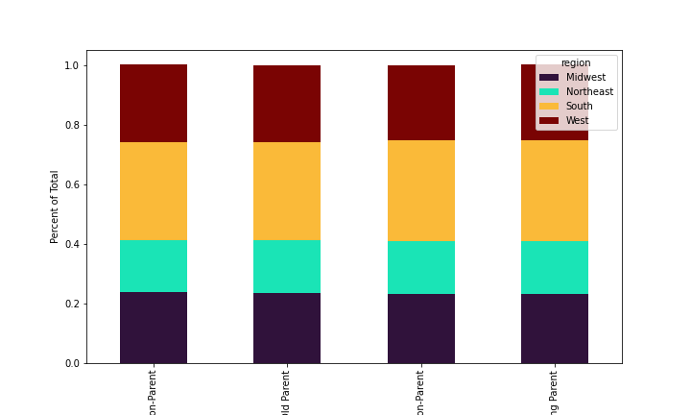

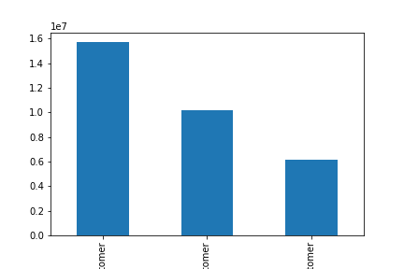
 |  | Compare your customer profiles with regions and departments. Can you identify a link between them? Customers may demonstrate different behaviors across regions, which could make this information important.
Create a histogram of the “order_hour_of_day” column. | Create a bar chart from the “loyalty_flag” column.
 |  | Customer Profile and Region

Here we can see the busiest times of the day are from 9AM til about 4PM, with 10AM being the busiest hour of the day. The frequency on the y-axis is in millions of sales, so 10AM accounts for around 2.75 million sales. The least busy times of the day are from 1AM to 5AM.

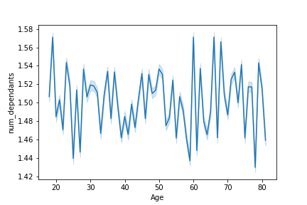
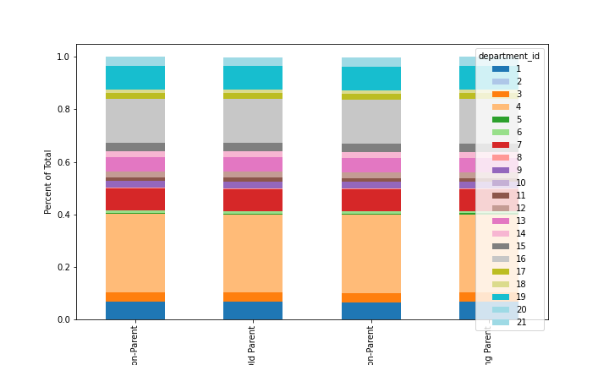
Check whether there’s a difference in expenditure (the “prices” column) depending on the hour of the day. | Determine whether there’s a connection between age and family status by creating a line chart exploring the connections between age and number of dependents. | Customer Profile and Department
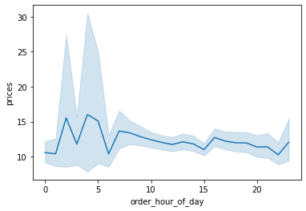

There's not really a difference in expenditure depending on the hour of the day based on the relationship above. | The line chart above demonstrates the relationship between age and number of dependents. It doesn't really demonstrate any pattern; we could say here that there isn't a relationship between age and number of dependents.

 |  | As shown in both of the bar charts above, different customers exhibit the same behavior across both region and department.

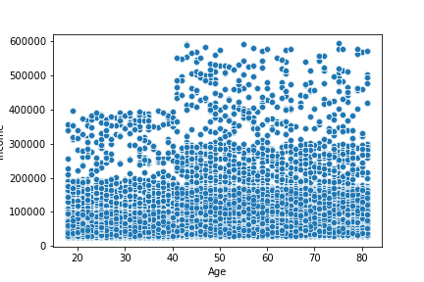
You’ll also need to explore whether there’s a connection between age and spending power. To visualize this relationship, create a scatterplot.

The scatterplot above demonstrates the relationship between age and income. We can direct our focus to two areas: the more dense and less dense areas. There are less individuals who are wealthy, and many individuals in the middle to lower class. We see that all of these individuals see a jump in their income at the age of 40. The lense dense area of wealthy individuals get even wealthier, and the middle and lower classes also see a similar jump in spending power once age reaches above 40. There doesn't seem to be any upward trend in income for either group before or after this 40-year-old mark.

7. Recommendations
 |  |  |  | Title page

Recommendations

In this tab you should include any recommendations you would made to Instcart in terms of their marketing strategy based on the questions posed in the brief. Every key question has been covered in the Tasks of the Exercises - here you need to add an item - a visualisation or table/crosstable that is showing the answer in the data, acompanied by a comment from you. Please, list the questions below and add the answer underneath.

Question | Answer | Visual Aid
Key Question 1: The sales team needs to know what the busiest days of the week and hours of the day are (i.e., the days and times with the most orders) in order to schedule ads at times when there are fewer orders. | The busiest days of the week are Saturday, followed by Sunday. Scheduling ads during the weekend is optimal. The busiest hours of the day are from 10AM until 4PM. Scheduling ads during this time of the day would be optimal. | Count of orders for each day of the week: 0 6143940 1 5604286 6 4453700 2 4171585 5 4165364 3 3803473 4 3747475 Days that correspond to each number: 0 Saturday 1 Sunday 6 Monday 2 Tuesday 5 Wednesday 3 Thursday 4 Friday | Count or orders for each hour of the day: 10 2734661 11 2708508 14 2663688 15 2635806 13 2634707 12 2591663 16 2510407 9 2432437 17 2068008 8 1701629 18 1620547 19 1245909 20 966676 7 883128 21 788478 22 627633 23 397902 6 287817 0 216093 1 114557 5 87136 2 68868 4 52780 3 50785
Key Question 2: They also want to know whether there are particular times of the day when people spend the most money, as this might inform the type of products they advertise at these times. | People tend to spend the same average amount during any time of the day. They all spend about $7.80 on average for any hour of the day that they make an order. | prices mean order_hour_of_day 0 7.820218 1 7.802125 2 7.808566 3 7.842581 4 7.836579 5 7.835938 6 7.824510 7 7.823898 8 7.793231 9 7.752303 10 7.748240 11 7.768985 12 7.792964 13 7.791455 14 7.802657 15 7.803591 16 7.802630 17 7.804976 18 7.807442 19 7.794568 20 7.799896 21 7.808859 22 7.820641 23 7.802288 | The first number on the left for each row is the hour of the day. The number to the right of each hour is the average price for that hour of the day.
Key Question 3 : Instacart has a lot of products with different price tags. Marketing and sales want to use simpler price range groupings to help direct their efforts. | I created a new variable that categorizes the price range of a product into three categories. If price is greater than $15, it's a "High-Range Product". If price is between $5 and $15, it's a "Mid-Range Product". If price is less than $5, it's a "Low-Range Product". To the right is the count of orders that fall under each category. | 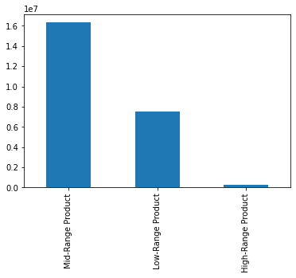
Key Question 4: Are there certain types of products that are more popular than others? The marketing and sales teams want to know which departments have the highest frequency of product orders. | Bulk orders and baby products are the most popular, with around 20 orders an average per customer. | user_order_num mean department_id 1 15.461415 2 17.280527 3 17.170316 4 17.814687 5 15.252884 6 16.449556 7 17.215801 8 15.354308 9 15.899935 10 20.221154 11 16.175287 12 15.881307 13 16.589569 14 16.779669 15 16.177319 16 17.671774 17 15.697125 18 19.321218 19 17.184769 20 16.469524 21 22.912268
Key Question 5: The marketing and sales teams are particularly interested in the different types of customers in their system and how their ordering behaviors differ. | The first graph on the right illustrates the distribution among users in regard to their brand loyalty. The two colored graphs on the right show us that we don't observe a difference in ordering habits based on region or department.
Key Question 6: What different classifications does the demographic information suggest? Age? Income? Certain types of goods? Family status? | From what we found in Key Question 5, we don't observe any significant differences for demographics.
Key Question 7: What differences can you find in ordering habits of different customer profiles? Consider the price of orders, the frequency of orders, the products customers are ordering, and anything else you can think of. | The colored graphs for Key Question 5 illustrate that we don't see a difference in ordering habits based on customer profiles, which are based on age, family status, and income.

